Overview
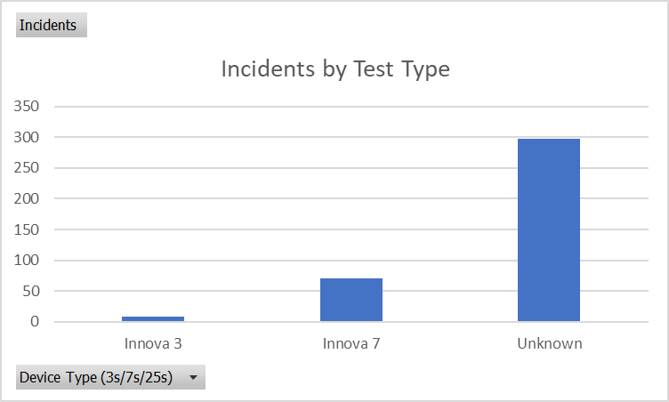
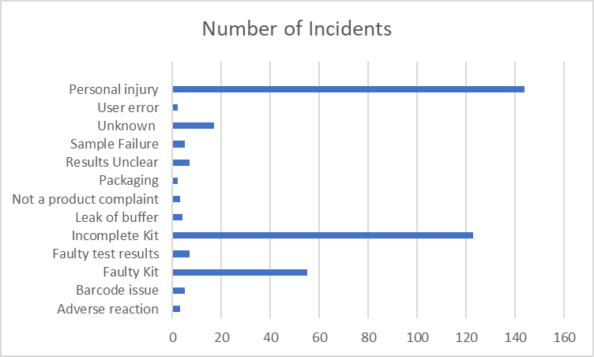

The Top 3 causes of incidents are personal injury (though there were only 3 Yellow Cards completed in this period which stated an adverse reaction to taking the test - 2 nose bleeds and 1 blistered throat), incomplete kits and faulty kits (where there is a defect in the kit caused by damage to one of the parts).

