About
Business Change Readiness Assessment

These are matrix assessments of how ready the business operations are to proceed with planned changes.
They can be programmed at intervals approaching the proposed go live or roll-out.
The outputs from business readiness assessments inform the Go / No Go decision by the SRO or Project Board. (Not to be confused with assurance readiness assessments in advance of Gate reviews.)
The criteria for business readiness assessments will vary across projects and will need to be agreed with the key stakeholder groups.
The assessment should focus on the ‘deal breaker’ items and essential criteria to effect the change.
For example, it may not be necessary for the entire workforce to be trained on the new system by day 1 of a roll-out, the criteria being assessed may be 70% trained on day 1.
Thus, the readiness assessment will be related to the change plan but has a different focus and will not contain every element of the change plan
There are many ways to configure such an assessment according to complexity and scale of the project.
The principal is that it should be easily interpreted by the SRO and other decision makers and will give a view of progress at each periodic review in the closing stages of a project or phase.

Alternatively, at earlier stages, the management may find usefull, a broader assessment across the workforce and stakeholders.
Other tools can be used or developed according to such needs, such as the example below based on detailed survey and data capture sheets.
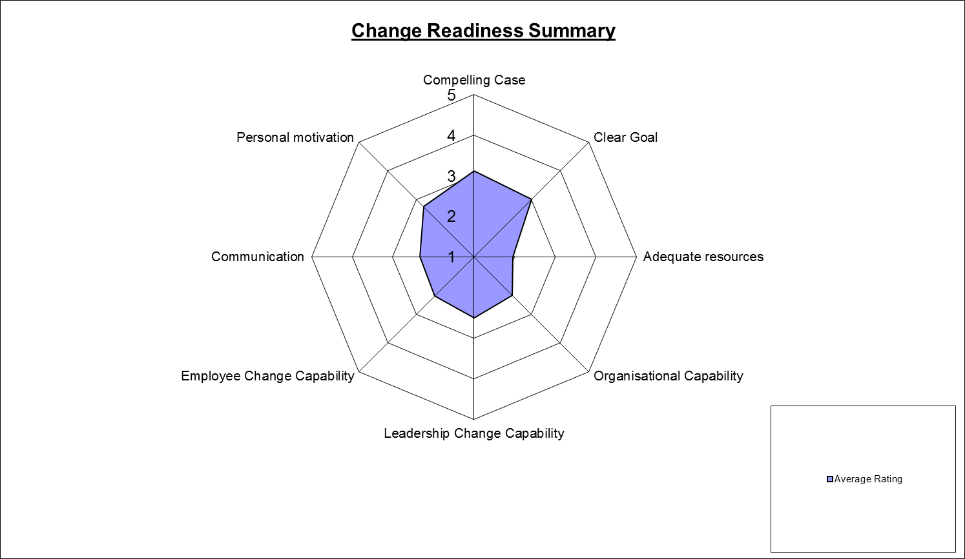
Example of an alternative, broader survey of people involved in the change

