Decimal converter
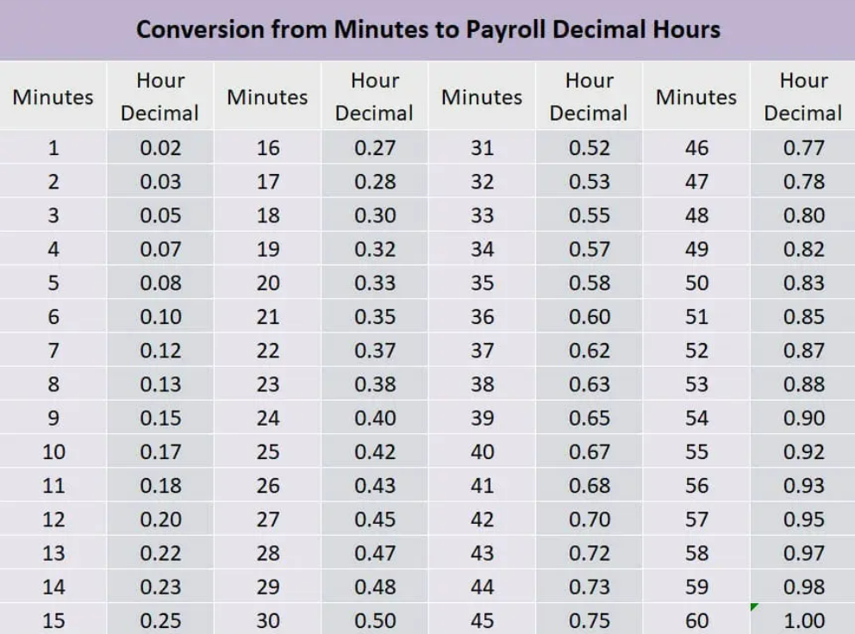

Tier Definitions
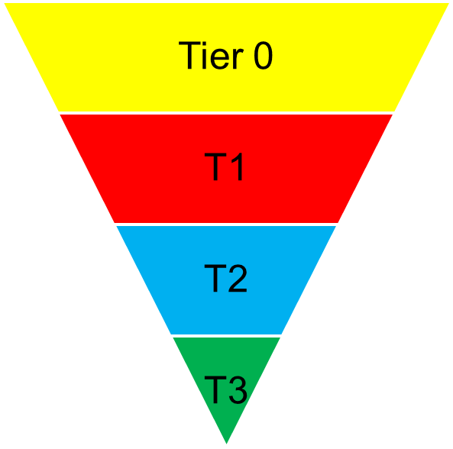
Tier | Description
0 | Customer Self-Service and Automation
1 | Customer Service Advisor and/or Locality Working triage
2 | Case Management and/or Locality Working case management
3 | Specialist Input and Advice

