Guide
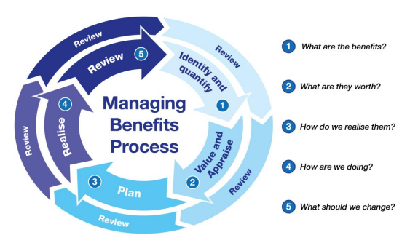
 | Internal Ref: | Project Management Toolkit Doc 4.5 Benefit Realisation Plan

 | Review Date | Jan-24
 | Version No. | 1
Benefit Realisation Plan Guide

Purpose of the plan The benefits realisation plan enables the project team and leadership to have a shared understanding of the expected outcomes and benefits of the project and ensures the expected benefits are measurable and aligned with the organisation’s strategic goals. The benefits realisation plan assesses the value and organisational impact of the project. It identifies the benefits to be delivered by the project and ensures the benefits are specific, measurable, attainable, realistic and time based (SMART).

Roles and responsibilities Responsibility for benefits management lies primarily with the business areas that have to realise the benefits through outputs and change. In the Council it is the Sponsor or Client who is responsible for ensuring the benefits are realised. Project Leads, through their Senior Programme Manager or equivalent or AD, have responsibility for co-ordinating their outputs with the Sponsor or Client and gaining agreement and authorisation for any changes to the initial baseline on the Business Case.

